Foglio1
Foto | Tipologia | Articolo | Desc. art. | WHL | RETAIL | QTY | Totale WHS
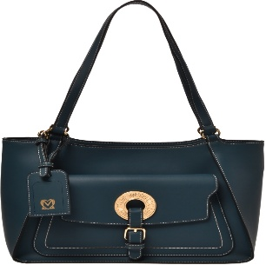 | BORSE | JC4056PP1LLG0110 | BORSA PU AVORIO | 93.00 € | 241.80 € | 4 | 372.00 € | 65
 | BORSE | JC4056PP1LLG0110 | BORSA PU AVORIO | 93.00 € | 241.80 € | 4 | 372.00 €
 | BORSE | JC4056PP1LLG0208 | BORSA PU NOCE | 93.00 € | 241.80 € | 4 | 372.00 €
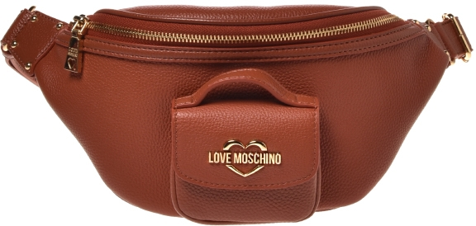 | BORSE | JC4105PP1LL1145A | MARSUPIO VITELLO+PU RUGGINE | 86.00 € | 223.60 € | 8 | 688.00 €
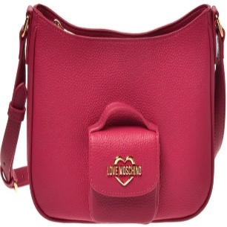 | BORSE | JC4106PP1LL1162A | BORSA VITELLO+PU MAGENTA | 86.00 € | 223.60 € | 8 | 688.00 €
 | BORSE | JC4106PP1LL1162A | BORSA VITELLO+PU MAGENTA | 86.00 € | 223.60 € | 8 | 688.00 €
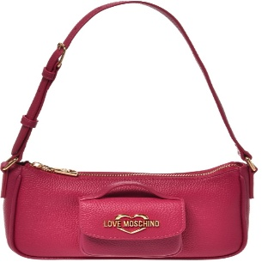 | BORSE | JC4107PP1LL1145A | BORSA VITELLO+PU RUGGINE | 93.00 € | 241.80 € | 8 | 744.00 €
 | BORSE | JC4107PP1LL1145A | BORSA VITELLO+PU RUGGINE | 93.00 € | 241.80 € | 8 | 744.00 €
 | BORSE | JC4056PP1LLG0815 | BORSA PU VERDESMERALDO | 93.00 € | 241.80 € | 4 | 372.00 €
 | BORSE | JC4056PP1LLG0110 | BORSA PU AVORIO | 93.00 € | 241.80 € | 3 | 279.00 €
 | BORSE | JC4056PP1LLG0110 | BORSA PU AVORIO | 93.00 € | 241.80 € | 1 | 93.00 €
 | BORSE | JC4056PP1LLG0110 | BORSA PU AVORIO | 93.00 € | 241.80 € | 4 | 372.00 €
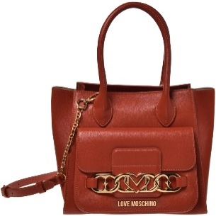 | BORSE | JC4039PP1LLF0110 | BORSA PU AVORIO | 102.00 € | 265.20 € | 3 | 306.00 €
 | BORSE | JC4039PP1LLF0110 | BORSA PU AVORIO | 102.00 € | 265.20 € | 3 | 306.00 €
 | BORSE | JC4039PP1LLF0110 | BORSA PU AVORIO | 102.00 € | 265.20 € | 3 | 306.00 €
 | BORSE | JC4039PP1LLF0459 | BORSA PU RUGGINE | 102.00 € | 265.20 € | 2 | 204.00 €
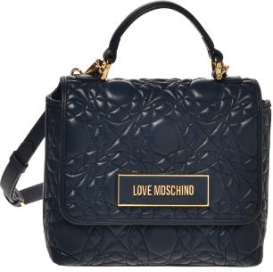 | BORSE | JC4112PP1LL1260A | BORSA NAPPA+PU ROSA | 112.00 € | 291.20 € | 7 | 784.00 €
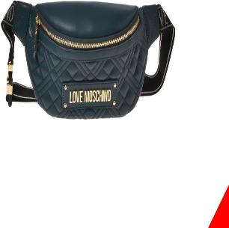 | BORSE | JC4003PP1LLA0110 | MARSUPIO QUILTED PU AVORIO | 62.00 € | 161.20 € | 8 | 496.00 €
 | BORSE | JC4003PP1LLA0110 | MARSUPIO QUILTED PU AVORIO | 62.00 € | 161.20 € | 8 | 496.00 €
 | BORSE | JC4003PP1LLA0815 | MARSUPIO QUILTED PU SMERALDO | 62.00 € | 161.20 € | 8 | 496.00 €
 | BORSE | JC4003PP1LLA0815 | MARSUPIO QUILTED PU SMERALDO | 62.00 € | 161.20 € | 8 | 496.00 €
 | BORSE | JC4003PP1LLA0552 | MARSUPIO QUILTED PU VINO | 62.00 € | 161.20 € | 4 | 248.00 €
 | BORSE | JC4003PP1LLA0552 | MARSUPIO QUILTED PU VINO | 62.00 € | 161.20 € | 1 | 62.00 €
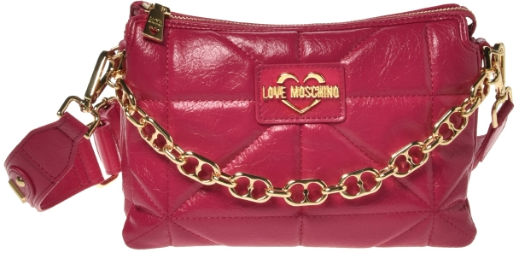 | BORSE | JC4152PP1LLQ0600 | BORSA PU GRS ROSA | 62.00 € | 161.20 € | 12 | 744.00 €
 | BORSE | JC4152PP1LLQ0626 | BORSA PU GRS MAGENTA | 91.00 € | 236.60 € | 12 | 1,092.00 €
 | BORSE | JC4152PP1LLQ0626 | BORSA PU GRS MAGENTA | 91.00 € | 236.60 € | 12 | 1,092.00 €
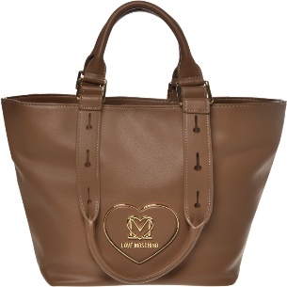 | BORSE | JC4124PP1LLB0209 | BORSA PU GRS TAUPE | 102.00 € | 265.20 € | 3 | 306.00 €
 | BORSE | JC4124PP1LLB0209 | BORSA PU GRS TAUPE | 102.00 € | 265.20 € | 3 | 306.00 €
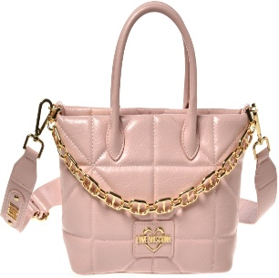 | BORSE | JC4154PP1LLQ0626 | BORSA PU GRS MAGENTA | 93.00 € | 241.80 € | 6 | 558.00 €
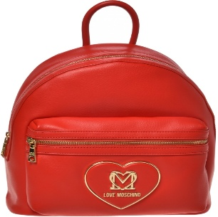 | BORSE | JC4123PP1LLB0500 | ZAINO PU GRS ROSSO | 100.00 € | 260.00 € | 4 | 400.00 €
 | BORSE | JC4123PP1LLB0500 | ZAINO PU GRS ROSSO | 100.00 € | 260.00 € | 4 | 400.00 €
 | BORSE | JC4123PP1LLB0500 | ZAINO PU GRS ROSSO | 100.00 € | 260.00 € | 4 | 400.00 €
 | BORSE | JC4123PP1LLB0500 | ZAINO PU GRS ROSSO | 100.00 € | 260.00 € | 4 | 400.00 €
 | BORSE | JC4123PP1LLB0500 | ZAINO PU GRS ROSSO | 100.00 € | 260.00 € | 4 | 400.00 €
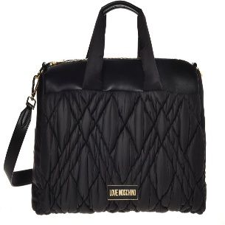 | BORSE | JC4164PP1LLR100A | BORSA NYLON+PU GRS NERO | 102.00 € | 265.20 € | 1 | 102.00 €
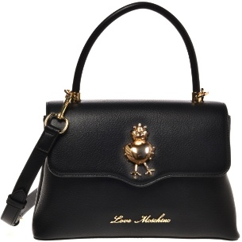 | BORSE | JC4027PP1LLB200B | BORSA PU GRS NERO+RANA | 102.00 € | 265.20 € | 1 | 102.00 €
 | BORSE | JC4152PP1LLQ0208 | BORSA PU GRS NOCE | 91.00 € | 236.60 € | 10 | 910.00 €
 | BORSE | JC4152PP1LLQ0208 | BORSA PU GRS NOCE | 91.00 € | 236.60 € | 12 | 1,092.00 €
 | BORSE | JC4152PP1LLQ0600 | BORSA PU GRS ROSA | 91.00 € | 236.60 € | 12 | 1,092.00 €
 | BORSE | JC4152PP1LLQ0600 | BORSA PU GRS ROSA | 91.00 € | 236.60 € | 12 | 1,092.00 €
 | BORSE | JC4152PP1LLQ0600 | BORSA PU GRS ROSA | 91.00 € | 236.60 € | 4 | 364.00 €
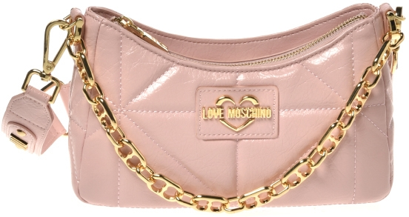 | BORSE | JC4153PP1LLQ0626 | BORSA PU GRS MAGENTA | 86.00 € | 223.60 € | 12 | 1,032.00 €
 | BORSE | JC4154PP1LLQ0626 | BORSA PU GRS MAGENTA | 93.00 € | 241.80 € | 8 | 744.00 €
 | BORSE | JC4154PP1LLQ0110 | BORSA PU GRS AVORIO | 93.00 € | 241.80 € | 3 | 279.00 €
 | BORSE | JC4154PP1LLQ0600 | BORSA PU GRS ROSA | 93.00 € | 241.80 € | 6 | 558.00 €
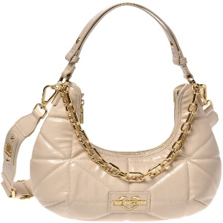 | BORSE | JC4156PP1LLQ0626 | BORSA PU GRS MAGENTA | 98.00 € | 254.80 € | 10 | 980.00 €
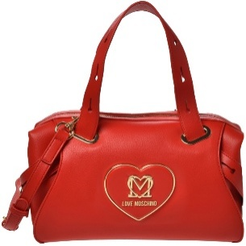 | BORSE | JC4119PP1LLB0209 | BORSA PU GRS TAUPE | 106.00 € | 275.60 € | 1 | 106.00 €
 | BORSE | JC4124PP1LLB0209 | BORSA PU GRS TAUPE | 101.00 € | 262.60 € | 2 | 202.00 €
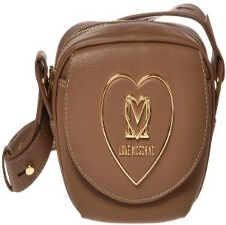 | BORSE | JC4122PP1LLB0209 | BORSA PU GRS TAUPE | 96.00 € | 249.60 € | 9 | 864.00 €
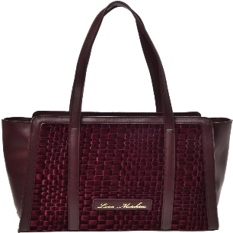 | BORSE | JC4130PP1LLK176A | BORSA VELVET+PU MIDNIGHT | 91.00 € | 236.60 € | 4 | 364.00 €
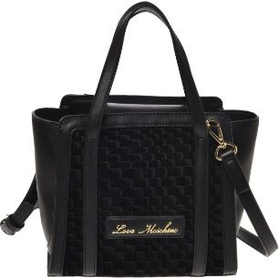 | BORSE | JC4129PP1LLK176A | BORSA VELVET+PU MIDNIGHT | 86.00 € | 223.60 € | 8 | 688.00 €
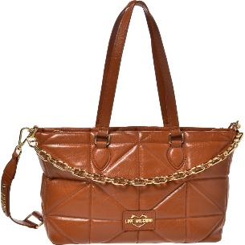 | BORSE | JC4151PP1LLQ0208 | BORSA PU GRS NOCE | 101.00 € | 262.60 € | 4 | 404.00 €
 | BORSE | JC4151PP1LLQ0208 | BORSA PU GRS NOCE | 101.00 € | 262.60 € | 4 | 404.00 €
 | BORSE | JC4151PP1LLQ0208 | BORSA PU GRS NOCE | 101.00 € | 262.60 € | 4 | 404.00 €
 | BORSE | JC4151PP1LLQ0208 | BORSA PU GRS NOCE | 101.00 € | 262.60 € | 4 | 404.00 €
 | BORSE | JC4151PP1LLQ0208 | BORSA PU GRS NOCE | 101.00 € | 262.60 € | 4 | 404.00 €
 | BORSE | JC4151PP1LLQ0208 | BORSA PU GRS NOCE | 101.00 € | 262.60 € | 4 | 404.00 €
 | BORSE | JC4151PP1LLQ0208 | BORSA PU GRS NOCE | 101.00 € | 262.60 € | 4 | 404.00 €
 | BORSE | JC4151PP1LLQ0208 | BORSA PU GRS NOCE | 101.00 € | 262.60 € | 4 | 404.00 €
 | BORSE | JC4151PP1LLQ0208 | BORSA PU GRS NOCE | 101.00 € | 262.60 € | 4 | 404.00 €
 | BORSE | JC4151PP1LLQ0208 | BORSA PU GRS NOCE | 101.00 € | 262.60 € | 4 | 404.00 €
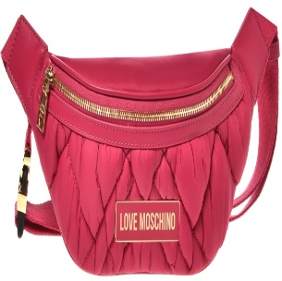 | BORSE | JC4160PP1LLR162A | MARSUPIO NYLON+PU GRS MAGENTA | 70.00 € | 182.00 € | 1 | 70.00 €
 | BORSE | JC4160PP1LLR162A | MARSUPIO NYLON+PU GRS MAGENTA | 70.00 € | 182.00 € | 5 | 350.00 €
 | BORSE | JC4160PP1LLR162A | MARSUPIO NYLON+PU GRS MAGENTA | 70.00 € | 182.00 € | 5 | 350.00 €
 | BORSE | JC4160PP1LLR162A | MARSUPIO NYLON+PU GRS MAGENTA | 70.00 € | 182.00 € | 5 | 350.00 €
 | BORSE | JC4160PP1LLR162A | MARSUPIO NYLON+PU GRS MAGENTA | 70.00 € | 182.00 € | 5 | 350.00 €
 | BORSE | JC4160PP1LLR162A | MARSUPIO NYLON+PU GRS MAGENTA | 70.00 € | 182.00 € | 5 | 350.00 €
 | BORSE | JC4160PP1LLR162A | MARSUPIO NYLON+PU GRS MAGENTA | 70.00 € | 182.00 € | 5 | 350.00 €
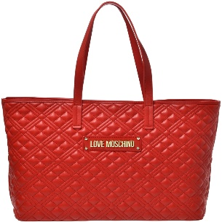 | BORSE | JC4166PP1LLA0500 | BORSA QUILTED PU ROSSO | 86.00 € | 223.60 € | 3 | 258.00 €
 | BORSE | JC4166PP1LLA0500 | BORSA QUILTED PU ROSSO | 86.00 € | 223.60 € | 4 | 344.00 €
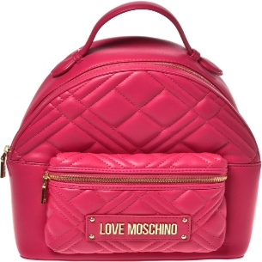 | BORSE | JC4148PP1LLA0815 | ZAINO QUILTED PU SMERALDO | 93.00 € | 241.80 € | 1 | 93.00 €
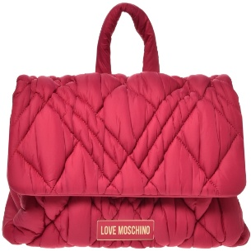 | BORSE | JC4162PP1LLR100A | ZAINO NYLON+PU GRS NERO | 96.00 € | 249.60 € | 1 | 96.00 €
 | BORSE | JC4151PP1LLQ0208 | BORSA PU GRS NOCE | 101.00 € | 262.60 € | 2 | 202.00 €
 | BORSE | JC4130PP1LLK176A | BORSA VELVET+PU MIDNIGHT | 91.00 € | 236.60 € | 1 | 91.00 €
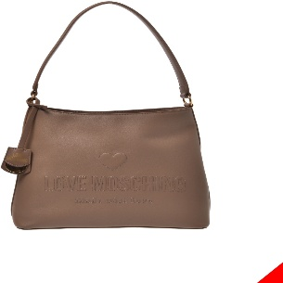 | BORSE | JC4115PP1LL1000A | BORSA VITELLO+PU NERO | 106.00 € | 275.60 € | 7 | 742.00 €
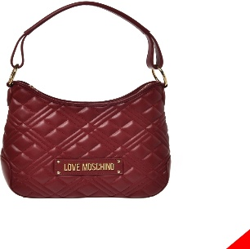 | BORSE | JC4147PP1LLA0552 | BORSA QUILTED PU VINO | 86.00 € | 223.60 € | 1 | 86.00 €
 | BORSE | JC4003PP1LLA0815 | MARSUPIO QUILTED PU SMERALDO | 62.00 € | 161.20 € | 1 | 62.00 €
 | BORSE | JC4166PP1LLA0500 | BORSA QUILTED PU ROSSO | 86.00 € | 223.60 € | 4 | 344.00 €
 | BORSE | JC4147PP1LLA0110 | BORSA QUILTED PU AVORIO | 86.00 € | 223.60 € | 1 | 86.00 €
 | BORSE | JC4119PP1LLB0209 | BORSA PU GRS TAUPE | 106.00 € | 275.60 € | 3 | 318.00 €
 | BORSE | JC4119PP1LLB0209 | BORSA PU GRS TAUPE | 106.00 € | 275.60 € | 2 | 212.00 €
 | BORSE | JC4130PP1LLK176A | BORSA VELVET+PU MIDNIGHT | 91.00 € | 236.60 € | 1 | 91.00 €
 | BORSE | JC4115PP1LL1000A | BORSA VITELLO+PU NERO | 106.00 € | 275.60 € | 2 | 212.00 €
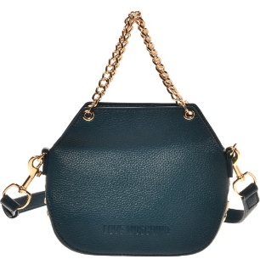 | BORSE | JC4020PP1LLT0815 | BORSA PU GRS VERDE SMERALDO | 78.00 € | 202.80 € | 4 | 312.00 €
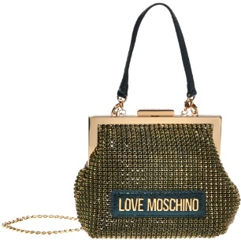 | BORSE | JC4043PP1LLP176A | BORSA STONE STRASS+PU LAM.MIDNIGHT | 80.00 € | 208.00 € | 1 | 80.00 €
 | BORSE | JC4160PP1LLR162A | MARSUPIO NYLON+PU GRS MAGENTA | 70.00 € | 182.00 € | 1 | 70.00 €
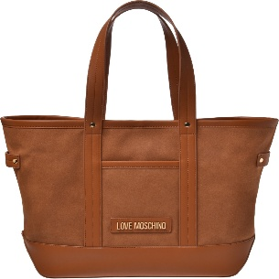 | BORSE | JC4069PP1LLH200A | BORSA PU NERO | 98.00 € | 254.80 € | 4 | 392.00 €
 | BORSE | JC4069PP1LLH200A | BORSA PU NERO | 98.00 € | 254.80 € | 2 | 196.00 €
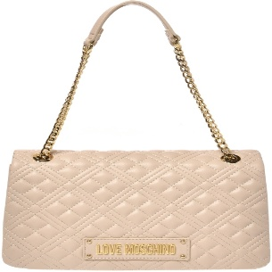 | BORSE | JC4014PP1LLA0110 | BORSA QUILTED PU AVORIO | 86.00 € | 223.60 € | 7 | 602.00 €
 | BORSE | JC4152PP1LLQ0600 | BORSA PU GRS ROSA | 91.00 € | 236.60 € | 2 | 182.00 €
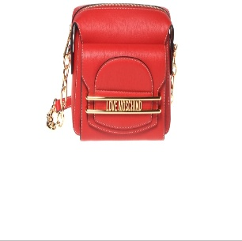 | BORSE | JC4348PP0LKP0208 | BORSA PU NOCE | 91.00 € | 236.60 € | 4 | 364.00 €
 | BORSE | JC4348PP0LKP0500 | BORSA PU ROSSO | 91.00 € | 236.60 € | 4 | 364.00 €
 | BORSE | JC4107PP1LL1162A | BORSA VITELLO+PU MAGENTA | 93.00 € | 241.80 € | 5 | 465.00 €
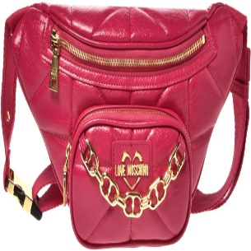 | BORSE | JC4155PP1LLQ0626 | MARSUPIO PU GRS MAGENTA | 78.00 € | 202.80 € | 2 | 156.00 €
 | BORSE | JC4156PP1LLQ0626 | BORSA PU GRS MAGENTA | 98.00 € | 254.80 € | 3 | 294.00 €
 | BORSE | JC4124PP1LLB0209 | BORSA PU GRS TAUPE | 101.00 € | 262.60 € | 2 | 202.00 €
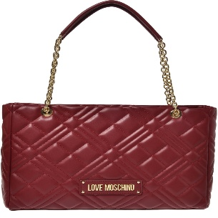 | BORSE | JC4145PP1LLA0815 | BORSA QUILTED PU SMERALDO | 91.00 € | 236.60 € | 3 | 273.00 €
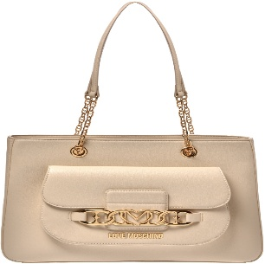 | BORSE | JC4042PP1LLF0600 | BORSA PU ROSA | 98.00 € | 254.80 € | 2 | 196.00 €
 | BORSE | JC4056PP1LLG0815 | BORSA PU VERDESMERALDO | 93.00 € | 241.80 € | 2 | 186.00 €
 | BORSE | JC4112PP1LL1260A | BORSA NAPPA+PU ROSA | 112.00 € | 291.20 € | 4 | 448.00 €
 | BORSE | JC4107PP1LL1145A | BORSA VITELLO+PU RUGGINE | 93.00 € | 241.80 € | 2 | 186.00 €
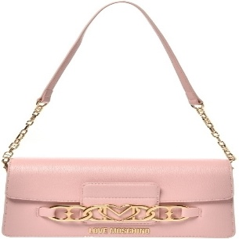 | BORSE | JC4040PP1LLF0459 | BORSA PU RUGGINE | 86.00 € | 223.60 € | 1 | 86.00 €
 | BORSE | JC4039PP1LLF0459 | BORSA PU RUGGINE | 101.00 € | 262.60 € | 2 | 202.00 €
 | BORSE | JC4039PP1LLF0459 | BORSA PU RUGGINE | 101.00 € | 262.60 € | 3 | 303.00 €
 | BORSE | JC4039PP1LLF0459 | BORSA PU RUGGINE | 101.00 € | 262.60 € | 3 | 303.00 €
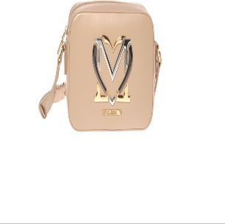 | BORSE | JC4327PP0LKN0106 | BORSA PU CREMA | 82.00 € | 213.20 € | 5 | 410.00 €
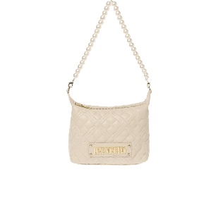 | BORSE | JC4304PP0LLA0110 | BORSA QUILTED PU AVORIO | 65.00 € | 169.00 € | 10 | 650.00 €
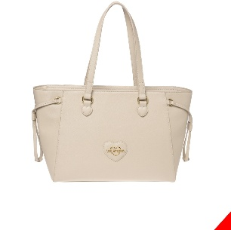 | BORSE | JC4261PP0LKL0110 | BORSA SAFFIANO PU GRS AVORIO | 98.00 € | 254.80 € | 4 | 392.00 €
 | BORSE | JC4261PP0LKL0110 | BORSA SAFFIANO PU GRS AVORIO | 98.00 € | 254.80 € | 4 | 392.00 €
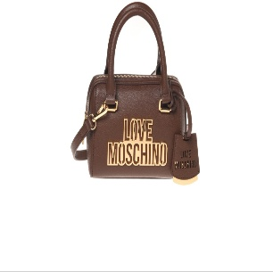 | BORSE | JC4333PP0LKO0301 | BORSA PU TMORO | 78.00 € | 202.80 € | 3 | 234.00 €
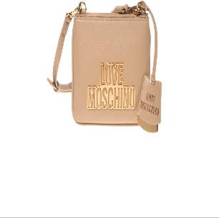 | BORSE | JC4336PP0LKO0750 | BORSA PU BLU | 78.00 € | 202.80 € | 1 | 78.00 €
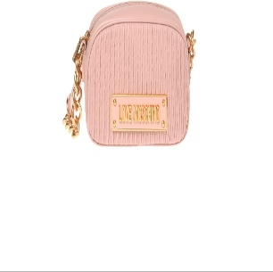 | BORSE | JC4360PP0LK1160A | BORSA NAPPA PLEATED+PU CIPRIA | 106.00 € | 275.60 € | 8 | 848.00 €
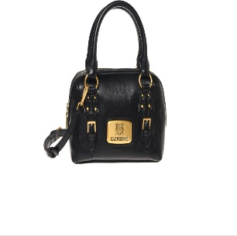 | BORSE | JC4274PP0LKB0601 | BORSA SOFT PU CIPRIA | 91.00 € | 236.60 € | 6 | 546.00 €
 | BORSE | JC4274PP0LKB0601 | BORSA SOFT PU CIPRIA | 91.00 € | 236.60 € | 10 | 910.00 €
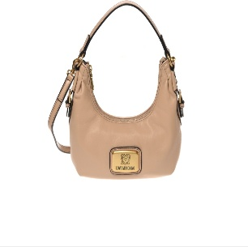 | BORSE | JC4273PP0LKB0208 | BORSA SOFT PU NOCE | 85.00 € | 221.00 € | 7 | 595.00 €
 | BORSE | JC4145PP0LLA0110 | BORSA QUILTED PU AVORIO | 91.00 € | 236.60 € | 3 | 273.00 €
 | BORSE | JC4273PP0LKB0106 | BORSA SOFT PU CREMA | 85.00 € | 221.00 € | 5 | 425.00 €
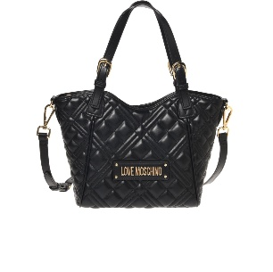 | BORSE | JC4371PP0LLA0110 | BORSA QUILTED PU AVORIO | 85.00 € | 221.00 € | 3 | 255.00 €
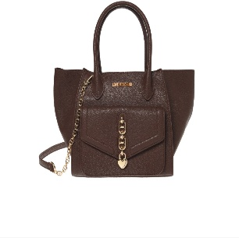 | BORSE | JC4387PP0LKU0106 | BORSA PU CREMA | 85.00 € | 221.00 € | 4 | 340.00 €
 | BORSE | JC4387PP0LKU0106 | BORSA PU CREMA | 85.00 € | 221.00 € | 4 | 340.00 €
 | BORSE | JC4387PP0LKU0106 | BORSA PU CREMA | 85.00 € | 221.00 € | 4 | 340.00 €
 | BORSE | JC4387PP0LKU0106 | BORSA PU CREMA | 85.00 € | 221.00 € | 4 | 340.00 €
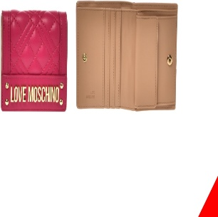 | PORTA | JC5601PP0LLA0110 | PORTAFOGLIO QUILTED PU AVORIO | 35.00 € | 91.00 € | 20 | 700.00 €
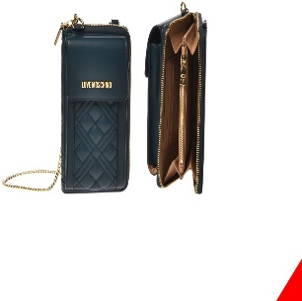 | PORTA | JC5682PP0LLA0110 | PORTAFOGLIO QUILTED PU AVORIO | 50.00 € | 130.00 € | 17 | 850.00 €
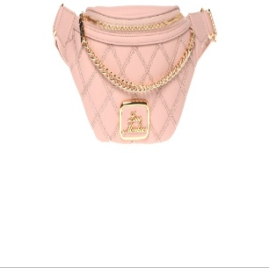 | BORSE | JC4309PP0LKK160A | MARSUPIO PU GRS+LACE CIPRIA | 80.00 € | 208.00 € | 3 | 240.00 €
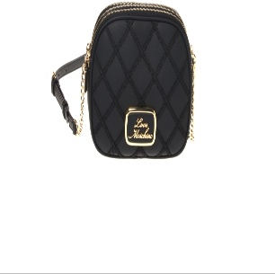 | BORSE | JC4308PP0LKK160A | BORSA PU GRS+LACE CIPRIA | 80.00 € | 208.00 € | 8 | 640.00 €
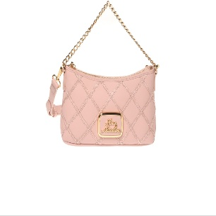 | BORSE | JC4305PP0LKK160A | BORSA PU GRS+LACE CIPRIA | 78.00 € | 202.80 € | 8 | 624.00 €
 | BORSE | JC4308PP0LKK111A | BORSA PU GRS+LACE AVORIO | 80.00 € | 208.00 € | 4 | 320.00 €
 | BORSE | JC4308PP0LKK160A | BORSA PU GRS+LACE CIPRIA | 80.00 € | 208.00 € | 8 | 640.00 €
 | BORSE | JC4308PP0LKK160A | BORSA PU GRS+LACE CIPRIA | 80.00 € | 208.00 € | 8 | 640.00 €
 | BORSE | JC4308PP0LKK160A | BORSA PU GRS+LACE CIPRIA | 80.00 € | 208.00 € | 8 | 640.00 €
 | BORSE | JC4372PP0LLA0000 | BORSA QUILTED PU NERO | 75.00 € | 195.00 € | 10 | 750.00 €
 | BORSE | JC4371PP0LLA0110 | BORSA QUILTED PU AVORIO | 85.00 € | 221.00 € | 5 | 425.00 €
 | BORSE | JC4371PP0LLA0110 | BORSA QUILTED PU AVORIO | 85.00 € | 221.00 € | 5 | 425.00 €
 | PORTA | JC5633PP0LLA0110 | PORTAFOGLIO QUILTED PU AVORIO | 48.00 € | 124.80 € | 20 | 960.00 €
 | BORSE | JC4372PP0LLA0601 | BORSA QUILTED PU CIPRIA | 75.00 € | 195.00 € | 7 | 525.00 €
 | BORSE | JC4373PP0LLA0750 | BORSA QUILTED PU BLU | 85.00 € | 221.00 € | 1 | 85.00 €
 | BORSE | JC4003PP0LLA0750 | MARSUPIO QUILTED PU BLU | 62.00 € | 161.20 € | 2 | 124.00 €
 | PORTA | JC5633PP0LLA0500 | PORTAFOGLIO QUILTED PU ROSSO | 48.00 € | 124.80 € | 20 | 960.00 €
 | PORTA | JC5633PP0LLA0500 | PORTAFOGLIO QUILTED PU ROSSO | 48.00 € | 124.80 € | 20 | 960.00 €
 | BORSE | JC4318PP0LKK0110 | BORSA PU GRS AVORIO+CHAIN | 65.00 € | 169.00 € | 7 | 455.00 €
 | BORSE | JC4325PP0LKM0850 | ZAINO PU QUILTED OBLIQUO VERDE | 98.00 € | 254.80 € | 6 | 588.00 €
 | BORSE | JC4395PP0LKV0208 | BORSA PU NOCE | 91.00 € | 236.60 € | 1 | 91.00 €
 | BORSE | JC4360PP0LK1160A | BORSA NAPPA PLEATED+PU CIPRIA | 106.00 € | 275.60 € | 8 | 848.00 €
 | BORSE | JC4356PP0LK1030A | BORSA VITELLO SMALL GRAIN+PU TMORO | 86.00 € | 223.60 € | 6 | 516.00 €
 | BORSE | JC4356PP0LK1050A | BORSA VITELLO SMALL GRAIN+PU ROSSO | 86.00 € | 223.60 € | 7 | 602.00 €
 | BORSE | JC4291PP0LKB0110 | BORSA PU AVORIO | 91.00 € | 236.60 € | 4 | 364.00 €
 | BORSE | JC4388PP0LKJ0208 | BORSA SHINY CROCO PU NOCE | 91.00 € | 236.60 € | 3 | 273.00 €
 | BORSE | JC4292PP0LKB0110 | BORSA PU AVORIO | 85.00 € | 221.00 € | 8 | 680.00 €
 | BORSE | JC4383PP0LKS185A | MARSUPIO NYLON+PU GRS VERDE | 60.00 € | 156.00 € | 3 | 180.00 €
 | BORSE | JC4383PP0LKS185A | MARSUPIO NYLON+PU GRS VERDE | 60.00 € | 156.00 € | 5 | 300.00 €
 | BORSE | JC4383PP0LKS185A | MARSUPIO NYLON+PU GRS VERDE | 60.00 € | 156.00 € | 5 | 300.00 €
 | BORSE | JC4383PP0LKS185A | MARSUPIO NYLON+PU GRS VERDE | 60.00 € | 156.00 € | 5 | 300.00 €
 | BORSE | JC4388PP0LKJ0208 | BORSA SHINY CROCO PU NOCE | 91.00 € | 236.60 € | 3 | 273.00 €
 | BORSE | JC4388PP0LKJ0208 | BORSA SHINY CROCO PU NOCE | 91.00 € | 236.60 € | 3 | 273.00 €
 | BORSE | JC4388PP0LKJ0208 | BORSA SHINY CROCO PU NOCE | 91.00 € | 236.60 € | 3 | 273.00 €
 | BORSE | JC4314PP0LKK0000 | BORSA PU GRS NERO+CHAIN | 93.00 € | 241.80 € | 1 | 93.00 €
 | BORSE | JC4344PP0LKP0500 | BORSA PU ROSSO | 104.00 € | 270.40 € | 1 | 104.00 €
 | BORSE | JC4332PP0LKN0601 | BORSA PU CIPRIA | 78.00 € | 202.80 € | 1 | 78.00 €
 | BORSE | JC4307PP0LKK111A | BORSA PU GRS+LACE AVORIO | 98.00 € | 254.80 € | 4 | 392.00 €
 | BORSE | JC4362PP0LK1211A | BORSA VITELLO+PU AVORIO | 98.00 € | 254.80 € | 2 | 196.00 €
 | BORSE | JC4372PP0LLA0110 | BORSA QUILTED PU AVORIO | 75.00 € | 195.00 € | 7 | 525.00 €
 | BORSE | JC4329PP0LKN0601 | BORSA PU CIPRIA | 100.00 € | 260.00 € | 3 | 300.00 €
 | BORSE | JC4003PP0LLA0750 | MARSUPIO QUILTED PU BLU | 62.00 € | 161.20 € | 8 | 496.00 €
 | BORSE | JC4003PP0LLA0750 | MARSUPIO QUILTED PU BLU | 61.56 € | 160.06 € | 8 | 492.48 €
 | BORSE | JC4387PP0LKU0106 | BORSA PU CREMA | 84.24 € | 219.02 € | 1 | 84.24 €
 | BORSE | JC4348PP0LKP0500 | BORSA PU ROSSO | 90.72 € | 235.87 € | 8 | 725.76 €
 | BORSE | JC4275PP0LKC0626 | BORSA PU MAGENTA CON FOULARD | 97.20 € | 252.72 € | 3 | 291.60 €
 | BORSE | JC4308PP0LKK160A | BORSA PU GRS+LACE CIPRIA | 79.92 € | 207.79 € | 1 | 79.92 €
 | BORSE | JC4374PP0LLA0110 | BORSA QUILTED PU AVORIO | 73.44 € | 190.94 € | 1 | 73.44 €
 | BORSE | JC4374PP0LLA0110 | BORSA QUILTED PU AVORIO | 73.44 € | 190.94 € | 10 | 734.40 €
 | BORSE | JC4364PP0LK1211A | BORSA VITELLO+PU AVORIO | 110.16 € | 286.42 € | 1 | 110.16 €
 | BORSE | JC4304PP0LLA0110 | BORSA QUILTED PU AVORIO | 64.80 € | 168.48 € | 1 | 64.80 €
 | BORSE | JC4328PP0LKN0601 | BORSA PU CIPRIA | 90.72 € | 235.87 € | 1 | 90.72 €
 | BORSE | JC4387PP0LKU0301 | BORSA PU TMORO | 84.24 € | 219.02 € | 4 | 336.96 €
 | BORSE | JC4271PP0LKB0208 | BORSA SOFT PU NOCE | 97.20 € | 252.72 € | 1 | 97.20 €
 | PORTA | JC5633PP0LLA0110 | PORTAFOGLIO QUILTED PU AVORIO | 47.52 € | 123.55 € | 20 | 950.40 €
 | PORTA | JC5633PP0LLA0110 | PORTAFOGLIO QUILTED PU AVORIO | 47.52 € | 123.55 € | 17 | 807.84 €
 | PORTA | JC5704PP0LKJ0500 | PORTAFOGLIO SHINY CROCO PU ROSSO | 30.24 € | 78.62 € | 20 | 604.80 €
 | BORSE | JC4310PP0LKK160A | BORSA PU GRS+LACE CIPRIA | 77.76 € | 202.18 € | 1 | 77.76 €
 | PORTA | JC5710PP0LLA0500 | PORTAFOGLIO QUILTED PU ROSSO | 41.04 € | 106.70 € | 18 | 738.72 €
 | PORTA | JC5710PP0LLA0500 | PORTAFOGLIO QUILTED PU ROSSO | 41.04 € | 106.70 € | 18 | 738.72 €
 | PORTA | JC5633PP0LLA0500 | PORTAFOGLIO QUILTED PU ROSSO | 47.52 € | 123.55 € | 20 | 950.40 €
 | BORSE | JC4362PP0LK1262A | BORSA VITELLO+PU MAGENTA | 97.20 € | 252.72 € | 6 | 583.20 €
 | BORSE | JC4160PP1LLR162A | MARSUPIO NYLON+PU GRS MAGENTA | 69.12 € | 179.71 € | 3 | 207.36 €
 | BORSE | JC4372PP0LLA0601 | BORSA QUILTED PU CIPRIA | 74.52 € | 193.75 € | 3 | 223.56 €
 |  |  |  |  |  | 999 | 77,402.44 €

